Indices

 | Iraq Stock Exchange
 | Bulletin No (200)

 | ISX Trading Indices of Thursday 6/11/2025

 | Traded Volume and OTC |  | 257,706,233 |  | Traded Value and OTC |  | 791,546,474 |  | Traders | 882
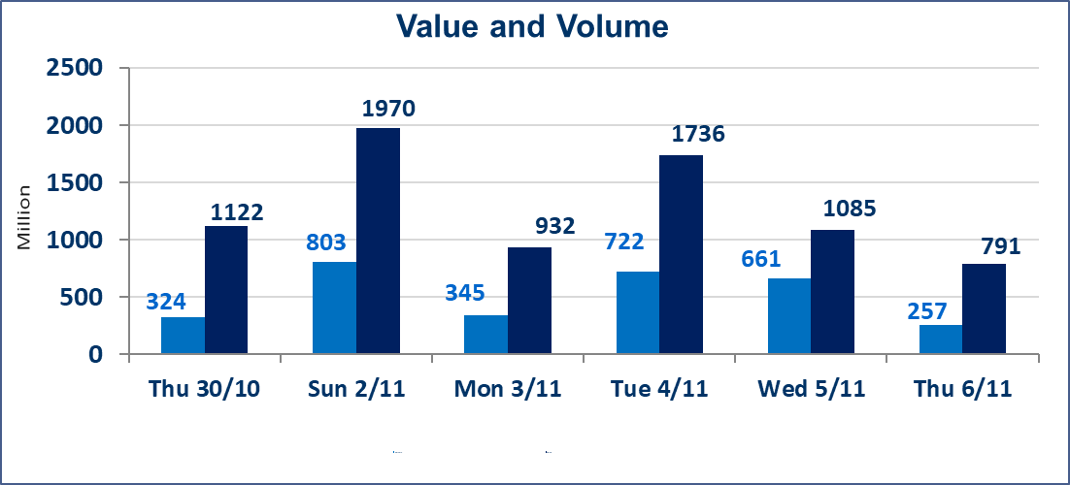
 | ISX Index 60 |  |  | 945.08 | ISX Index 15 |  |  | 1171.72
 | Previous ISX Index60 |  |  | 945.72 | Previous ISX Index15 |  |  | 1172.62
 | Change % |  |  | -0.07 | Change % |  |  | -0.08
 | Change |  |  | -0.64 | Change |  |  | -0.90

 | Listed Companies | 104 | OTC | 11 | Non Traded listed | 43 | OTC | 9
 | Traded Listed Companies | 43 | OTC | 1 | Higher Companies |  |  | 10
 | GAM Companies |  |  | 3 | Lower Companies |  |  | 13
 | Suspended Companies |  |  | 15
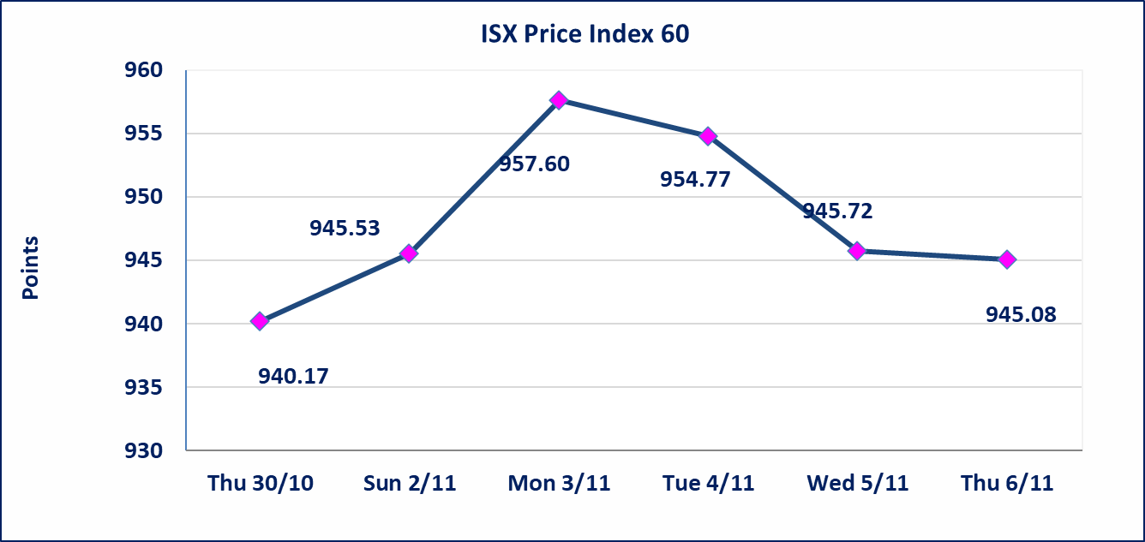
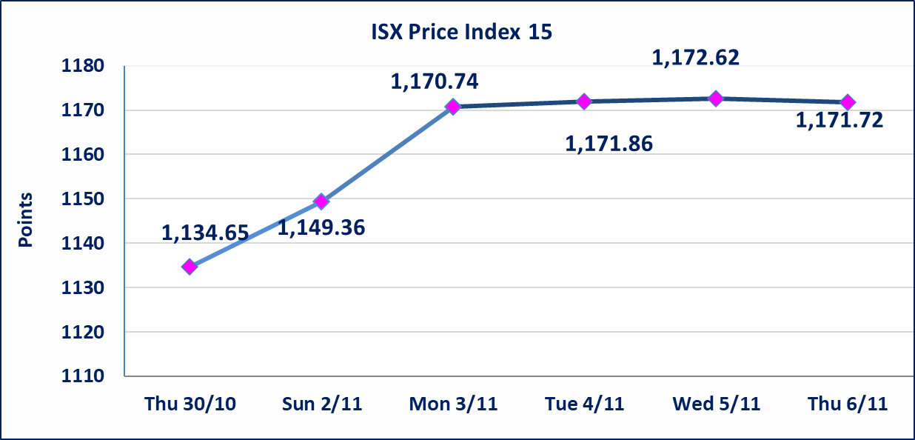

Al-Alwiya P.O . 3607 Mobile: 07711211522 - 07270094594 - 07834000034 E-mail: info-isx@isx-iq.net Web site:www.isx-iq.net

Top 5
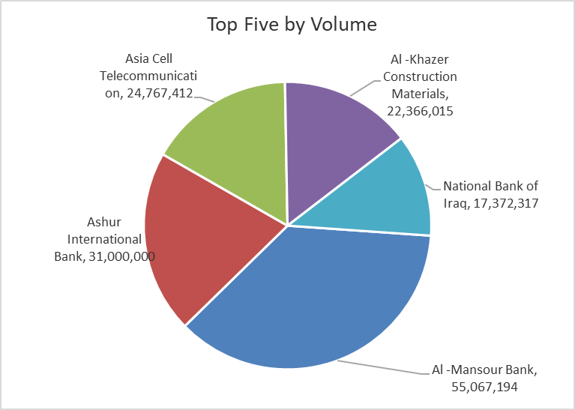
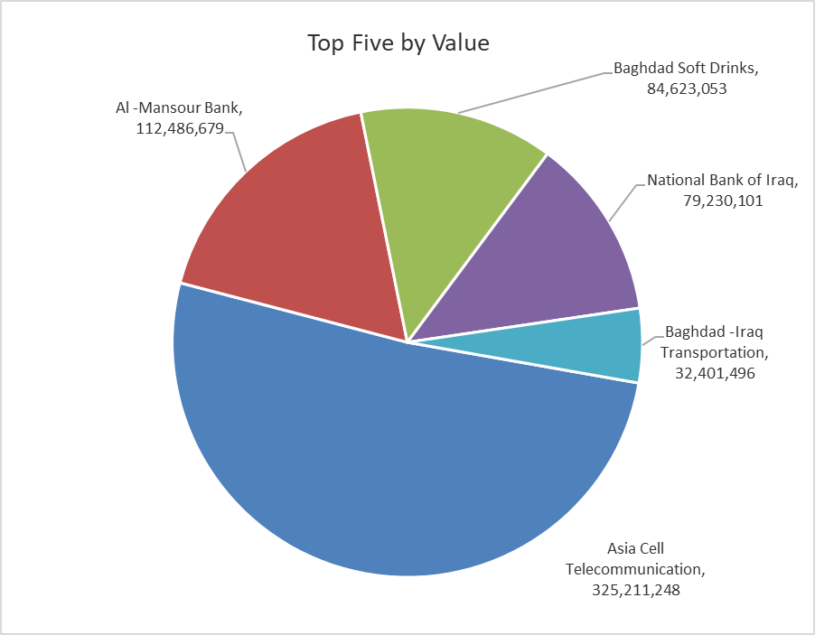
ISX top ganing and losing companies
Thursday 6/11/2025
Gainers |  |  |  | Losers
Company Name | Closing Price | Change (%) | Traded Volume | Company Name | Closing Price | Change (%) | Traded Volume
Al -Khazer Construction Materials | 1.220 | 6.09 | 22,366,015 | Elaf Islamic Bank | 0.290 | -9.37 | 28,429
Modern Construction Materials | 0.710 | 4.41 | 600,000 | International Islamic Bank | 0.190 | -5.00 | 109,940
Ready Made Clothes | 2.200 | 4.27 | 715,000 | Economy Bank | 0.240 | -4.00 | 11,021,000
Tourist Village of Mosul dam | 7.500 | 2.74 | 933 | Modern Sewing | 6.050 | -3.97 | 701,603
General Transportation | 1.900 | 2.15 | 1,150,140 | union Bank of Iraq | 0.250 | -3.85 | 8,646

The most active companies in term of traded volume and value

Traded Volume |  |  |  | Traded Value
Company Name | Closing Price | Change (%) | Traded Volume | Company Name | Closing Price | Change (%) | Traded Value
Al -Mansour Bank | 2.040 | -0.49 | 55,067,194 | Asia Cell Telecommunication | 13.130 | 0.38 | 325,211,248
Ashur International Bank | 0.260 | 0.00 | 31,000,000 | Al -Mansour Bank | 2.040 | -0.49 | 112,486,679
Asia Cell Telecommunication | 13.130 | 0.38 | 24,767,412 | Baghdad Soft Drinks | 5.060 | 0.00 | 84,623,053
Al -Khazer Construction Materials | 1.220 | 6.09 | 22,366,015 | National Bank of Iraq | 4.550 | -1.09 | 79,230,101
National Bank of Iraq | 4.550 | -1.09 | 17,372,317 | Baghdad -Iraq Transportation | 30.000 | -0.83 | 32,401,496

OTC

Iraq Stock Exchange

Thursday 6/11/2025
OTC Platform Trading Bulletin No (200)
Company Name | Code | highest price | lowest price | Average price | No.of Trades | Traded Volume | Traded Value
Banks Sector
Al-Warka Bank | BWAI | 0.100 | 0.090 | 0.100 | 3 | 8,212,719 | 819,145
Total Of Banks Sector |  |  |  |  | 3 | 8,212,719 | 819,145
Total |  |  |  |  | 3 | 8,212,719 | 819,145

Not Trading OTC Companies
Company Name |  |  | Code |  | Previous Average price
Banks Sector
Al-Sanam Islamic Bank |  |  | BSAN |  | 3.000
Hammurabi Commercial Bank |  |  | BHAM |  | ـــــــــــــــــــــــــــــــــــ
Money Service Sector
Rabee Securities |  |  | FRSE |  | 9.500
Karmal Brokerage |  |  | FKSX |  | 10.000
Ishtar Gate for e-Paymant |  |  | FISH |  | 1.000
Sama Baghdad Exchange |  |  | FSBE |  | ـــــــــــــــــــــــــــــــــــ
Iraqi Deposit Insurance Corporation |  |  | FIDI |  | ـــــــــــــــــــــــــــــــــــ
Insurance Sector
Shatt Al Arab Insurance |  |  | NSHA |  | 1.000
Dilina Insurance Company |  |  | NDIL |  | ـــــــــــــــــــــــــــــــــــ

